F_controlled_values
 |  |  |  |  |  | HARVESTED RESOURCES |  |  |  |  |  |  |  |  |  |  |  | MEANS OF PRODUCTION
 |  |  |  |  |  | Exploited marine resources |  | Captured species |  | Target species |  | By-Catch |  |  |  |  |  |  | Fishing vessel
 |  |  |  |  |  |  |  |  |  |  |  | Associated species |  | Discard species |  | Protected species
Depth zone | Horizontal distribution | Vertical distribution | Bottom type | Climatic zone | Fishing ground description | Name (Inventory ID) | Exploited marine resources description | Name | Description | Name | Description | Name | Description | Name | Description | Name | Description | Type of production system | Vessel type | Description
Coastal_0_50m | Inland_waters | Demersal/Benthic | Seagrass | Polar |  |  |  | ASFIS List of Species for Fishery Statistics Purposes http://www.fao.org/fishery/collection/asfis/en |  | ASFIS List of Species for Fishery Statistics Purposes http://www.fao.org/fishery/collection/asfis/en |  | ASFIS List of Species for Fishery Statistics Purposes http://www.fao.org/fishery/collection/asfis/en |  | ASFIS List of Species for Fishery Statistics Purposes http://www.fao.org/fishery/collection/asfis/en |  | ASFIS List of Species for Fishery Statistics Purposes http://www.fao.org/fishery/collection/asfis/en |  | Subsistence | 01.0.0
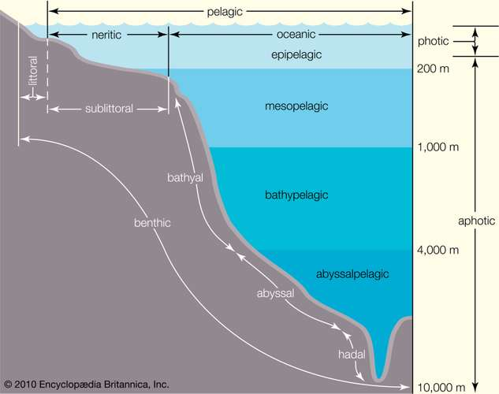
Coastal-Intertidal | Estuarine | Demersal | Mangrove | Temperate |  |  |  |  |  |  |  |  |  |  |  |  |  | Recreational | 01.0.1
Coastal-Close_shore_littoral_20m | Littoral | Benthic | Coral_reef | Tropical |  |  |  |  |  |  |  |  |  |  |  |  |  | Commercial | 01.0.2
Coastal-Shallow_waters_inshore_50m | Neritic | Pelagic | Soft_bottom | Unspecified |  |  |  |  |  |  |  |  |  |  |  |  |  | Artisanal | 01.0.3
Shelf_50_200m | Oceanic | Unspecified | Soft_bottom_with_pebbles |  |  |  |  |  |  |  |  |  |  |  |  |  |  | Semi-industrial | 01.0.4
Shelf-Uppershelf_up_100m | Unspecified |  | Soft_bottom_with_gravel |  |  |  |  |  |  |  |  |  |  |  |  |  |  | Industrial | 01.0.5
Shelf-Deepshelf_100-200m |  |  | Soft_bottom_gravel-sandy |  |  |  |  |  |  |  |  |  |  |  |  |  |  | Exploratory_fishery | 01.1.0
Shelf-Edgeshelf |  |  | Soft_bottom_clean_sand |  |  |  |  |  |  |  |  |  |  |  |  |  |  | Unspecified | 01.1.1
Slope_200_1000m |  |  | Soft_bottom_muddy_or_muddy-sand |  |  |  |  |  |  |  |  |  |  |  |  |  |  |  | 01.1.2
Slope-Upperslope_200-500m |  |  | Soft_bottom_with_some_turbidity |  |  |  |  |  |  |  |  |  |  |  |  |  |  |  | 01.2.0
Slope-Deepslope_500-1000m |  |  | Hard_bottom |  |  |  |  |  |  |  |  |  |  |  |  |  |  |  | 01.2.1
Abyssal_>1000m |  |  | Hard_rocky_bottom |  |  |  |  |  |  |  |  |  |  |  |  |  |  |  | 01.2.2
Unspecified |  |  | Hard_bottom_with_clear_water |  |  |  |  |  |  |  |  |  |  |  |  |  |  |  | 01.2.3
 |  |  | Unspecified |  |  |  |  |  |  |  |  |  |  |  |  |  |  |  | 01.3.0
 |  |  |  |  |  |  |  |  |  |  |  |  |  |  |  |  |  |  | 01.4.0
 |  |  |  |  |  |  |  |  |  |  |  |  |  |  |  |  |  |  | 01.5.0
 |  |  |  |  |  |  |  |  |  |  |  |  |  |  |  |  |  |  | 01.6.0
 |  |  |  |  |  |  |  |  |  |  |  |  |  |  |  |  |  |  | 01.9.0
 |  |  |  |  |  |  |  |  |  |  |  |  |  |  |  |  |  |  | 02.0.0
 |  |  |  |  |  |  |  |  |  |  |  |  |  |  |  |  |  |  | 02.0.1
 |  |  |  |  |  |  |  |  |  |  |  |  |  |  |  |  |  |  | 02.0.2
 |  |  |  |  |  |  |  |  |  |  |  |  |  |  |  |  |  |  | 02.1.0
 |  |  |  |  |  |  |  |  |  |  |  |  |  |  |  |  |  |  | 02.1.1
 |  |  |  |  |  |  |  |  |  |  |  |  |  |  |  |  |  |  | 02.1.2
 |  |  |  |  |  |  |  |  |  |  |  |  |  |  |  |  |  |  | 02.1.3
 |  |  |  |  |  |  |  |  |  |  |  |  |  |  |  |  |  |  | 02.1.4
 |  |  |  |  |  |  |  |  |  |  |  |  |  |  |  |  |  |  | 02.2.0
 |  |  |  |  |  |  |  |  |  |  |  |  |  |  |  |  |  |  | 02.3.0
 |  |  |  |  |  |  |  |  |  |  |  |  |  |  |  |  |  |  | 02.4.0
 |  |  |  |  |  |  |  |  |  |  |  |  |  |  |  |  |  |  | 02.9.0
 |  |  |  |  |  |  |  |  |  |  |  |  |  |  |  |  |  |  | 03.0.0
 |  |  |  |  |  |  |  |  |  |  |  |  |  |  |  |  |  |  | 03.1.0
...

